Dala Sales & Deliveries
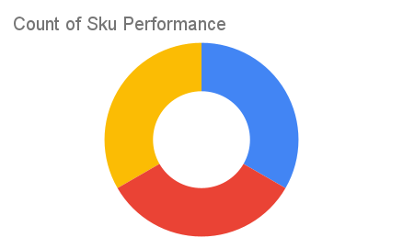
 | Total Invoices Delivered | 26.00 | Sku Performance | Units | Value
 | Unique Locations Supplied | 22.00 | Zeef 1kg Groundrice Flour (12x) | 7.25 | 364,186.06
 | Total Value of orders | 1,275,348.96 | Zeef 250g Blended Locust Beans (12x) | 11.50 | 487,813.90
 |  |  | Zeef 250g Locust Beans (12x) | 10.50 | 423,349.00
 |  |  |  | 0.00 | 0.00
 |  |  |  | 0.00 | 0.00
 |  |  |  | 0.00 | 0.00
 |  |  |  | 0.00 | 0.00
 |  |  |  | 0.00 | 0.00
 |  |  |  | 0.00 | 0.00
 |  |  |  | 0.00 | 0.00
2025-04-11 |  |  |  | 0.00 | 0.00
 |  |  |  | 0.00 | 0.00

